Sheet1
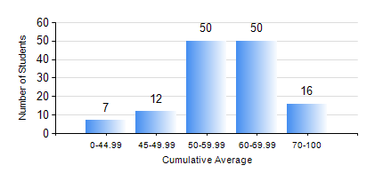
 |  |  | KWAME NKRUMAH UNIVERSITY OF SCIENCE AND TECHNOLOGY, KUMASI Department of Mechanical Engineering

 |  |  | BSC. INDUSTRIAL ENG.

 |  |  | COMPREHENSIVE RECORD OF EXAMINATION RESULTS

 |  |  | RESULTS OF YEAR 1 FIRST SEMESTER, 2021/2022 ACADEMIC YEAR

 | Sn | Course Code |  | Course Name | Credit Hours | Min. Mark | Max. Mark | Avg. Mark | Std. Dev. | No. Passed | No. Trailed | No. (Df) | No. (I) | No. (I*) | No. Tagged(I,I*,Df) | Total
 | 0. |  |  |  |  |  |  | 0 | 0 | 0 | 0 | 0 | 0 | 0 | 0 | 1
 | 1. | CE 155 |  | ENVIRONMENTAL STUDIES | 2 | 32 | 87 | 56 | 8.02 | 130 | 4 | 0 | 0 | 0 | 0 | 134
 | 2. | EE 151 |  | APPLIED ELECTRICITY | 3 | 23 | 95 | 55 | 12.45 | 129 | 5 | 0 | 0 | 0 | 0 | 134
 | 3. | ENGL 157 |  | COMMUNICATION SKILLS I | 2 | 31 | 82 | 60 | 9.94 | 132 | 2 | 0 | 0 | 0 | 0 | 134
 | 4. | MATH 151 |  | ALGEBRA | 4 | 40 | 93 | 64 | 13.41 | 134 | 0 | 0 | 0 | 0 | 0 | 134
 | 5. | ME 157 |  | INTRODUCTION TO INFORMATION TECHNOLOGY | 2 | 9 | 83 | 63 | 11.59 | 132 | 2 | 0 | 0 | 0 | 0 | 134
 | 6. | ME 159 |  | TECHNICAL DRAWING | 2 | 23 | 75 | 54 | 8.87 | 131 | 2 | 0 | 1 | 0 | 1 | 134
 | 7. | ME 195 |  | ENGINEERING TECHNOLOGY I | 2 | 40 | 83 | 65 | 9.75 | 134 | 0 | 0 | 0 | 0 | 0 | 134

